TestSummary
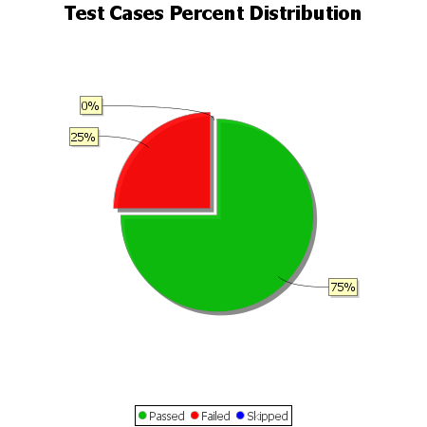
Total Test Cases | 12
Test Cases Passed | 9
Test Cases Failed | 3
Test Cases Skipped | 0

